Team Snap
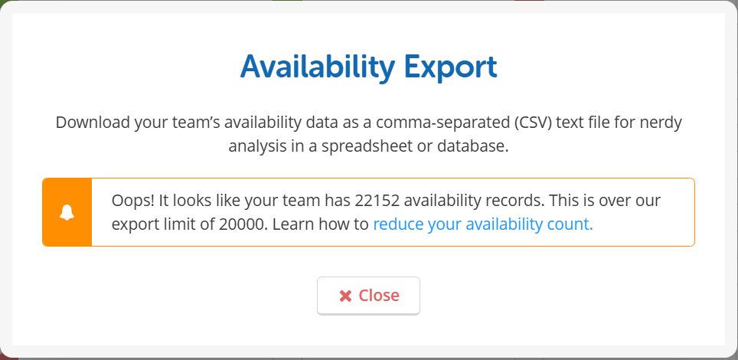
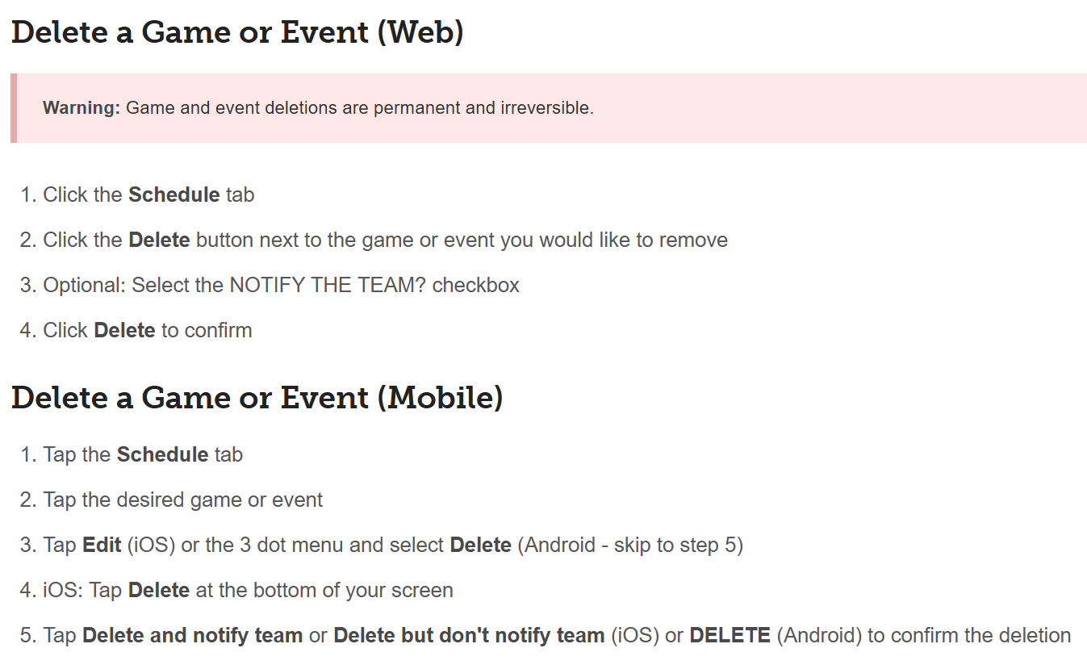
 |  | Canal Dragons Performance & Rec Mon, 1 5 Jun, 2026 6:30 PM | Performance and Recreational Practice Wed, 3 Jun, 2026 6:30 PM | Leisure Paddle Thu, 4 Jun, 2026 10:00 AM | Learn to Paddle Sat, 6 Jun, 2026 10:00 AM | Learn to Paddle Sat, 6 Jun, 2026 11:30 AM |  |  | Y | C
Positions | Attendance | 2M/10W | 2M/11W | 0M/1W | 1M/4W | 0M/2W |  |  |  |  | Player | Canal Dragons Performance & RecMon, 8 Jun, 2026 6:30 PM | Performance and Recreational PracticeWed, 10 Jun, 2026 6:30 PM | Leisure PaddleThu, 11 Jun, 2026 10:00 AM | Long Paddle - Club and CommunityFri, 12 Jun, 2026 6:30 PM | Canal Dragons Performance & RecMon, 15 Jun, 2026 6:30 PM
BL-C | Carlos Peralta | Yes | Yes | Maybe | Maybe |  | Carlos Peralta |  |  |  | Carlos Peralta | Yes | Yes |  | Yes
 | Amanda Zhang | No | No | No | No | Maybe | Amanda Zhang |  |  |  | Amanda Zhang | No | No | No | No | No
 | Ann Marotta | No |  |  |  |  | Ann Marotta |  |  |  | Ann Marotta | No
R | Ann Reid | Yes | No |  |  |  | Ann Reid |  |  |  | Ann Reid | Yes | Yes | Yes | Maybe
R | Anna Kuhar | Yes | Yes |  |  |  | Anna Kuhar |  | 9R |  | Anna Kuhar | Yes
 | Barb Gahn | No | Yes | Maybe |  |  | Barb Gahn | s |  | S 2R | Barb Gahn | Yes | Yes | Maybe | Maybe | No
Small | Bernita Arndt | No | No |  |  |  | Bernita Arndt |  |  |  | Bernita Arndt | Yes
 | Bobbi Babcock | No | No | No | No | No | Bobbi Babcock |  |  |  | Bobbi Babcock | No | No | No | No | No
 | Brenda Arndt | No | No | No | Yes | Yes | Brenda Arndt |  |  |  | Brenda Arndt | Yes | Yes | Maybe | No | Yes
 | Carrie Ann Terry | No |  |  |  |  | Carrie Ann Terry |  |  |  | Carrie Ann Terry
R | Cathy Uskin | Yes | Yes |  |  |  | Cathy Uskin |  | 4r |  | Cathy Uskin | No | No
 | Christina Bowman | No | Yes | No |  |  | Christina Bowman |  |  |  | Christina Bowman | No | Yes |  |  | No
 | Christine Vaskovics | No |  |  |  |  | Christine Vaskovics |  |  |  | Christine Vaskovics | No
 | Collin Bell | No | No |  |  |  | Collin Bell |  |  |  | Collin Bell | No
 | Elton Kemp | No |  |  |  |  | Elton Kemp |  |  |  | Elton Kemp
L | Gillian Shriner | No | Yes |  |  |  | Gillian Shriner |  |  |  | Gillian Shriner | Yes | Yes | Yes
 | Hannah Corrado | No | Yes |  |  |  | Hannah Corrado |  |  |  | Hannah Corrado | Yes
 | Heather Denoncourt | No | No |  |  |  | Heather Denoncourt |  |  |  | Heather Denoncourt | No
Morgan | Heather Fairley | Yes | Yes | No | No | No | Heather Fairley |  | 7L |  | Heather Fairley | Yes
 | Jacques Bourdeu | No | No |  |  |  | Jacques Bourdeu |  |  |  | Jacques Bourdeu | No
L | James MacArthur | Yes | Yes |  |  |  | James MacArthur |  | 5L |  | James MacArthur | Yes
Small | Janet Corbett | No | No | No | No | No | Janet Corbett |  |  |  | Janet Corbett | Yes
 | Jennifer Boss | No | Yes | No | Yes |  | Jennifer Boss |  |  |  | Jennifer Boss | Yes
R | Joanne Boyce | Yes | Maybe |  |  |  | Joanne Boyce |  |  |  | Joanne Boyce | Maybe |  |  | Maybe
 | Julie McPhail | No | No | No |  |  | Julie McPhail |  |  |  | Julie McPhail | No
 | Kari Wright | No | Yes | Maybe |  |  | Kari Wright |  |  |  | Kari Wright
L | Kathleen Batstone | No | Yes |  |  |  | Kathleen Batstone | X |  |  | Kathleen Batstone | Yes
L | Kendra Timlock | Yes | No | No |  |  | Kendra Timlock |  |  |  | Kendra Timlock | Yes
 | Kim Parker | No | No | No |  |  | Kim Parker |  |  |  | Kim Parker | No
 | Kimberly Irving | No | No | No | Yes | No | Kimberly Irving |  |  |  | Kimberly Irving | Yes
 | Laura Christian | No | Yes |  |  |  | Laura Christian |  |  |  | Laura Christian | No
BR | Lesley Bray | Yes | Yes | Yes | Maybe | Maybe | Lesley Bray |  | 7R |  | Lesley Bray | Yes
Small | Linda Bell | No | No |  |  |  | Linda Bell |  |  |  | Linda Bell | Yes
 | Linda Emslie | No | No | No | Yes |  | Linda Emslie |  |  |  | Linda Emslie | Yes
R | Lindsay Glennie | No | Yes |  |  |  | Lindsay Glennie |  |  |  | Lindsay Glennie | Yes
L | Liz Antal | No |  |  |  |  | Liz Antal |  |  |  | Liz Antal | Yes
 | Liz Guitard | No |  |  |  |  | Liz Guitard |  |  |  | Liz Guitard | Yes
 | Lori Dwyer | No | No | No | No | No | Lori Dwyer |  |  |  | Lori Dwyer | not
R | Lorna Hilborn | Yes | Yes |  |  |  | Lorna Hilborn | s | s 2L |  | Lorna Hilborn | Yes
SL | Margaret Battista | Yes | Yes |  | Maybe |  | Margaret Battista | s |  | S 2L | Margaret Battista | Yes
SR | Marge Cruz | Yes | Yes |  |  |  | Marge Cruz | s | s 2R |  | Marge Cruz | Yes
BR | Mario Cruz | Yes | Yes |  |  |  | Mario Cruz |  | 5R |  | Mario Cruz | Yes
 | Matthew Terry | No |  |  |  |  | Matthew Terry |  |  |  | Matthew Terry
 | Maureen Wheelock | No | No |  |  |  | Maureen Wheelock |  |  |  | Maureen Wheelock | No
 | Meliss Chue | No | Yes |  |  |  | Meliss Chue |  |  |  | Meliss Chue | No | Yes | No
 | Mike Christian | No | Yes |  |  |  | Mike Christian |  |  |  | Mike Christian | No
R | Morgan Hull | Yes
 | Nancy Spies | No |  |  |  |  | Nancy Spies |  |  |  | Nancy Spies | No | No
R | Nicki Landry | Yes | Maybe | No | Yes | Yes | Nicki Landry |  | 9L |  | Nicki Landry | Yes | Yes | Yes | Maybe | Yes
 | Nissa Mcadam | No |  |  |  |  | Nissa Mcadam |  |  |  | Nissa Mcadam
 | Paul Apostolon | No | No |  |  |  | Paul Apostolon |  |  |  | Paul Apostolon | No
 | Rachael Holder | No | Yes |  |  |  | Rachael Holder |  |  |  | Rachael Holder | No | Yes | No
BL | Sigrid Groetelaars | Yes | Yes |  |  |  | Sigrid Groetelaars |  | 4L |  | Sigrid Groetelaars | No | No | No
Small | Stephanie Babin | No | No |  |  |  | Stephanie Babin |  |  |  | Stephanie Babin | Yes | Yes | No
 | Sue McEachern | No |  |  |  |  | Sue McEachern |  |  |  | Sue McEachern | No
 | Tammy OHara | No |  |  |  |  | Tammy OHara |  |  |  | Tammy OHara | Yes
 | Tania Cookson | No | No |  |  |  | Tania Cookson |  |  |  | Tania Cookson | Yes | Yes
 | Tara McKendrick | No | No |  |  |  | Tara McKendrick |  |  |  | Tara McKendrick | Yes
 | Taylor Wright | No | Yes |  |  |  | Taylor Wright |  |  |  | Taylor Wright | No
 | Tim Parker | No | No | No |  |  | Tim Parker |  |  |  | Tim Parker | No
 | Trevor David | No | No | No |  |  | Trevor David |  |  |  | Trevor David | No
 | Wendy Walton | No |  |  |  |  | Wendy Walton |  |  |  | Wendy Walton | No
R | Yolanda MacArthur | Yes
 | Bill Uskin | No |  |  |  |  | Yolanda MacArthur |  |  |  | Yolanda MacArthur | Yes
Players |  | 2M/10W | 2M/11W | 0M/1W | 1M/4W | 0M/2W

 | Yes | 17 | 24 | 1 | 5 | 2 | 49 |  |  |  | Yes | 31
 | No | 49 | 25 | 17 | 5 | 5 | 101 |  |  |  | No | 26
 | Maybe | 0 | 2 | 3 | 3 | 2 | 10 |  |  |  | Maybe | 1
 | Unknown | 0 | 15 | 45 | 53 | 57 | 170 |  |  |  | Unknown | 7
 |  | 66 | 66 | 66 | 66 | 66 |  |  |  |  |  | 65

 |  |  | Chico,
 |  |  | Diana
 |  |  | D1
 |  |  | d2
 |  |  | yolanda
 |  |  |  |  |  |  |  |  |  |  | First Name | Last Name | Player
 |  |  |  |  |  |  |  |  |  |  | Carlos | Peralta | Yes | Carlos Peralta
 |  | 25 confirmed |  |  |  |  |  |  |  |  | Cathy | Uskin | Yes | Cathy Uskin
 |  | 2 maybes |  |  |  |  |  |  |  |  | Gillian | Shriner | Yes | Gillian Shriner
 |  | 4 New |  | Yolanda's Boat |  |  | Carlos' Boat |  |  |  | James | MacArthur | Yes | James MacArthur
 |  |  |  | Left | Right |  | Left | Right |  |  | Kathleen | Batstone | Yes | Kathleen Batstone
 |  |  | Bench 01 | Empty |  |  |  |  |  |  | Kimberly | Irving | Yes | Kimberly Irving
 |  |  | Bench 02 | Lorna Hilborn | Marge Cruz |  | Barb Gahn | Margaret Battista |  |  | Lindsay | Glennie | Yes | Lindsay Glennie
 |  |  | Bench 03 | Sigrid Groetelaars | Cathy Uskin |  |  |  |  |  | Liz | Antal | Yes | Liz Antal
 |  |  | Bench 04 | Empty |  |  |  |  |  |  | Margaret | Battista | Yes | Margaret Battista
 |  |  | Bench 05 | James MacArthur | Mario Cruz |  |  |  |  |  | Marge | Cruz | Yes | Marge Cruz
 |  |  | Bench 06 | Heather Fairley | Lesley Bray |  |  |  |  |  | Mario | Cruz | Yes | Mario Cruz
 |  |  | Bench 07 | Empty |  |  |  |  |  |  | Meliss | Chue | Yes | Meliss Chue
 |  |  | Bench 08 | Kathleen Batstone | Hannah Corrado |  |  |  |  |  | Nicki | Landry | Yes | Nicki Landry
 |  |  | Bench 09 | Anna Kuhar | Nicki Landry |  |  |  |  |  | Tara | McKendrick | Yes | Tara McKendrick
 |  |  | Bench 10 | Empty |  |  |  |  |  |  | Yolanda | MacArthur | Yes | Yolanda MacArthur
 |  |  |  |  |  |  |  |  |  |  | Bill | Uskin | Yes | Bill Uskin
 |  |  | Sustitutions | Liz Guitard | Joanne Boyce

 | Small Boat |  |  |  |  |  |  |  |  |  | Wednesday 17
 | Left | Right |  |  |  |  |  |  |  | Yes | Carlos Peralta
Bench 01 | Stephanie Babin | Janet Corbett |  |  |  |  |  |  |  | Yes | Ann Reid
Bench 02 | Bernita Arndt | Marge Cruz |  |  |  |  |  |  |  | Yes | Anna Kuhar
Bench 03 | Steer2 | Mario Cruz |  |  |  |  |  |  |  | Yes | Cathy Uskin | Bernita Arndt
Bench 04 | Kathleen Batstone | Margaret Battista |  |  |  |  |  |  |  | Yes | Heather Fairley |  | Brenda Arndt
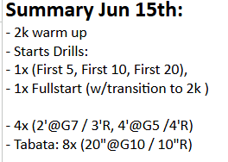
Bench 05 | Heather Fairley | Linda Bell |  |  |  |  |  |  |  | Yes | James MacArthur
Steers | Carlos & Kendra |  |  |  |  |  |  |  |  | Yes | Joanne Boyce
 |  |  |  |  |  |  |  |  |  | Yes | Kendra Timlock |  | Christina Bowman
 |  |  |  |  |  |  |  |  |  | Yes | Lesley Bray | Collin Bell | Gillian Shriner
 |  |  |  |  |  |  |  |  |  | Yes | Lorna Hilborn
 |  |  |  |  |  |  |  |  |  | Yes | Margaret Battista
 |  |  |  |  |  |  |  |  |  | Yes | Marge Cruz
 |  |  |  |  |  |  |  |  |  | Yes | Mario Cruz | Janet Corbett
 |  |  |  |  |  |  |  |  |  | Yes | Nicki Landry
 |  |  |  |  |  |  |  |  |  | Yes | Sigrid Groetelaars |  | Kari Wright
 |  |  |  | Left | Right |  |  |  |  | Yes | Yolanda MacArthur
 |  |  | Bench 01 |  |  |  |  |  |  | Yes | Morgan Hull
 |  |  | Bench 02 | Margaret Battista | Marge Cruz |  |  |  |  |  |  | Linda Bell
 |  |  | Bench 03 | Heather Fairley | Ann Reid |  |  |  |  |  |  |  | Lindsay Glennie
 |  |  | Bench 04 | Kendra Timlock | Lorna Hilborn
 |  |  | Bench 05 | Mario Cruz | Yolanda MacArthur
 |  |  | Bench 06 | James MacArthur | Morgan
 |  |  | Bench 07 | Anna Kuhar | Cathy Uskin
 |  |  | Bench 08 | Lesley Bray | Joanne Boyce? |  |  |  |  |  |  |  | Meliss Chue
 |  |  | Bench 09 | Sigrid Groetelaars | Nicki Landry
 |  |  | Bench 10 |  |  |  |  |  |  |  |  |  | Rachael Holder

 |  |  |  |  |  |  |  |  |  |  |  | Stephanie Babin
 |  |  |  |  |  |  |  |  |  |  |  |  | Taylor Wright

 |  |  |  |  |  |  |  |  |  |  | Player Name | Canal Dragons Performance & RecMon, 6 Jul, 2026 6:30 PM | Performance and Recreational PracticeWed, 8 Jul, 2026 6:30 PM | Leisure PaddleThu, 9 Jul, 2026 10:00 AM | Volunteers for Special Needs DBFri, 10 Jul, 2026 6:30 PM | Canal Dragons Performance & RecMon, 13 Jul, 2026 6:30 PM
 |  |  |  |  |  |  |  |  |  |  | Carlos Peralta | Yes | Yes | No |  | Yes
 |  |  |  |  |  |  |  |  |  |  | Amanda Zhang | Yes
 |  |  |  |  |  |  |  |  |  |  | Ann Reid | Yes | Yes | No
 |  |  |  |  |  |  |  |  |  |  | Barb Gahn | Yes | Yes
 |  |  |  |  |  |  |  |  |  |  | Brenda Arndt | Yes | Yes |  |  | Yes
 |  |  |  |  |  |  |  |  |  |  | Cathy Uskin | Yes
 |  |  |  |  |  |  |  |  |  |  | Christine Vaskovics | Yes | Yes | Yes | Yes | Yes
 |  |  |  |  |  |  |  |  |  |  | Collin Bell | Yes | Yes | Yes | Yes | Yes
 |  |  |  |  |  |  |  |  |  |  | Dilek Dalar | Yes | Yes |  |  | Yes
 |  |  |  |  |  |  |  |  |  |  | Elton Kemp | Yes | Yes |  |  | Yes
 |  |  |  |  |  |  |  |  |  |  | Emily Deiter | Yes | Yes |  |  | Yes
 |  |  |  |  |  |  |  |  |  |  | Gillian Shriner | Yes | Yes |  |  | Yes
 |  |  |  |  |  |  |  |  |  |  | Hannah Corrado | Yes | Yes |  |  | Yes
 |  |  |  |  |  |  |  |  |  |  | Hasan Dalar | Yes | Yes
 |  |  |  |  |  |  |  |  |  |  | Heather Denoncourt | Yes | Yes
 |  |  |  |  |  |  |  |  |  |  | Heather Fairley | Yes | Yes
 |  |  |  |  |  |  |  |  |  |  | Jacques Bourdeu | Yes | Yes
 |  |  |  |  |  |  |  |  |  |  | James MacArthur | Yes | Yes
 |  |  |  |  |  |  |  |  |  |  | Janet Corbett | Yes | Yes
 |  |  |  |  |  |  |  |  |  |  | Jennifer Boss | Yes | Yes
 |  |  |  |  |  |  |  |  |  |  | Joanne Boyce | Yes | Maybe |  | Maybe
 |  |  |  |  |  |  |  |  |  |  | Julie McPhail | Yes | Yes
 |  |  |  |  |  |  |  |  |  |  | Kari Wright | Yes
 |  |  |  |  |  |  |  |  |  |  | Kathleen Batstone | Yes |  |  |  | Maybe
 |  |  |  |  |  |  |  |  |  |  | Kendra Timlock | Yes |  | Maybe
 |  |  |  |  |  |  |  |  |  |  | Kim Parker | Yes
 |  |  |  |  |  |  |  |  |  |  | Kimberly Irving | Yes
 |  |  |  |  |  |  |  |  |  |  | Laura Christian | Yes
 |  |  |  |  |  |  |  |  |  |  | Total Yes | 28 | 19 | 2 | 2 | 9
 |  |  |  |  |  |  |  |  |  |  | Total No | 5 | 2 | 2 | 0 | 0
 |  |  |  |  |  |  |  |  |  |  | Total Maybe | 0 | 1 | 2 | 1 | 1
 |  |  |  |  |  |  |  |  |  |  | Total Blanks | 35 | 46 | 62 | 65 | 58
 |  |  |  |  |  |  |  |  |  |  | Portal Expected | 28 | 19 | 2 | 2 | 9
 |  |  |  |  |  |  |  |  |  |  | Validation Check | MATCH | MATCH | MATCH | MATCH | MATCH

